Basic_products_value_2024
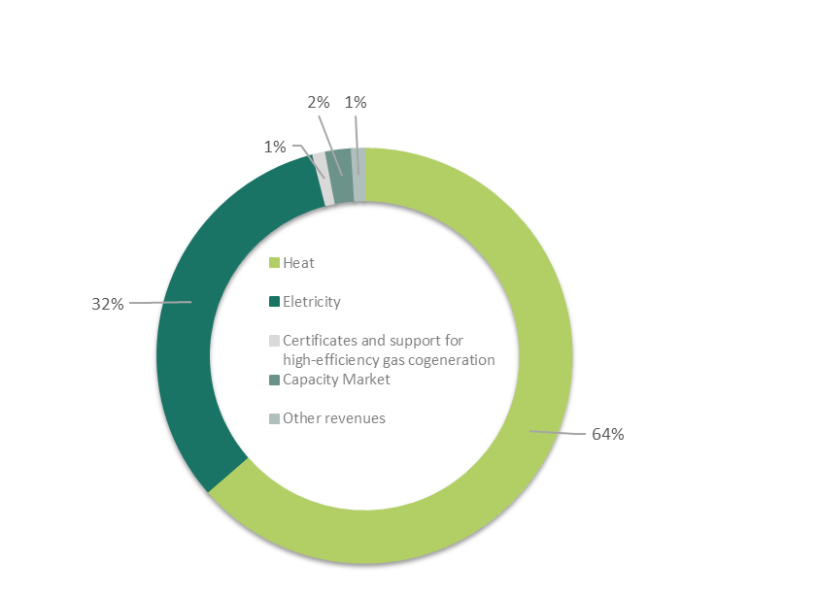

Basic products - value

KOGENERACJA S.A.
 | For the year ended 31 December 2024 |  | For the year ended 31 December 2023
 | Value (in PLN thousand) | Structure (%) | Value (in PLN thousand) | Structure (%) | Change (value)
Sales of heat | 887,846 | 64 | 836,442 | 53 | 51,404
Sales of electricity | 444,928 | 32 | 681,826 | 43 | (236,898)
Certificates | 990 | - | 7,602 | - | (6,612)
Support for high-efficiency gas cogeneration | 7,166 | 1 | 7,829 | 1 | (663)
Capacity Market | 26,762 | 2 | 31,201 | 2 | (4,439)
Other revenues | 6,544 | 1 | 6,752 | 1 | (208)
Revenues from the sale of finished goods | 1,374,236 | 100 | 1,571,652 | 100 | (197,416)

